Sheet1
Lenovo Yoga 710

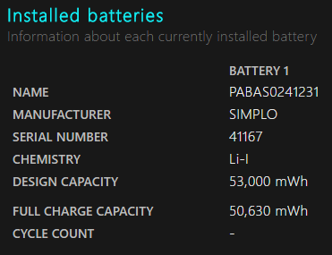
Battery % | Minutes | Seconds
100-90 | 27 | 48
90-80 | 25 | 58
80-70 | 35 | 26
70-60 | 30 | 39
60-50 | 32 | 16
50-40 | 31 | 55
40-30 | 30 | 27
30-20 | 28 | 58
20-10 | 37 | 44

